Sheet1
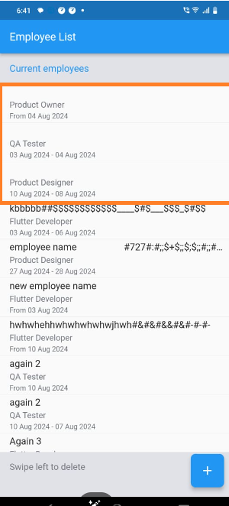
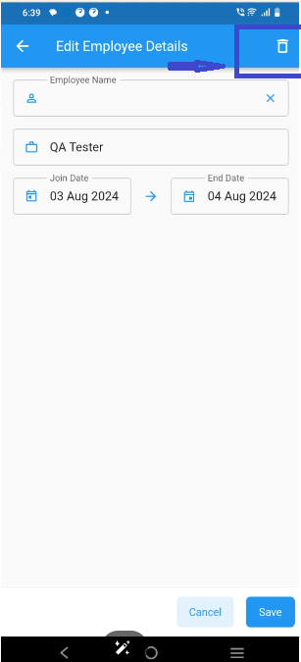
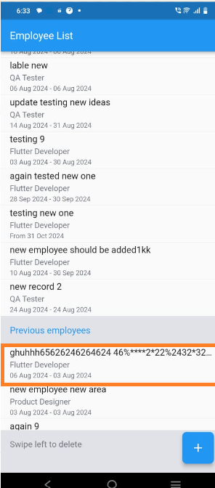
Sr. No. | Date | Title | Issue type | Description | Steps to Reproduce | Expected Result | Actual Result | Severity | Screenshots/Video
TC_001 | 2024-03-08 | Employee Name not Displayed | Functional | Employee name is not displaying when entering the input from the keyboard with the space button. | 1- Launch the app in device 2-Click on Plus button from footer 3-Enter employee name with space button (3-5 times) only 4- Select the date from calender 5- Select the role and save it. | It should diplay the error message | The record is saved completely without the employee name. | High
TC_002 | 2024-03-08 | Delete option is showing in edit functionality | Functional | Employee details are deleted when clicking on icon in front of edit employee button | 1- Launch the app in device 2- Click on Plus icon and save the employee information 3- Click to open saved employee information in edit mode. 4- Click on front icon | It Should be edit button or detele button | Items are deleted when click on icon | Medium
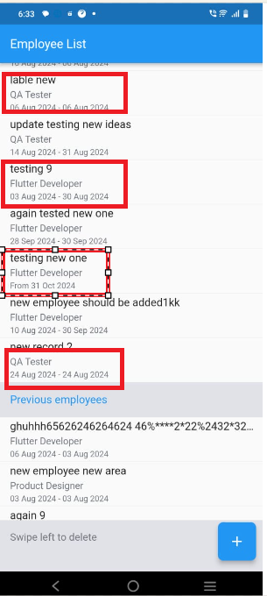
TC_003 | 2024-03-08 | "End date" becoming smaller than "start date" | Functional | Starting from the end date and select a date more than 2-3 days from the current date. If you click on the "next 1 week" button from "joining date" and save the information, whatever record is saved, the end date is shown less than the joining date. | 1-Launch the app 2- Click on plus button 3-Click on End Date Calendar and set any date which more than 2-3 days from current date and save it. 4-After that click on joining date and select "next 1 week". Rest of the employee name and role has to be filled and saved. 5- Now go to the employee list and compare the end date and joining date. | Joining date should always be before or equal to end date , not greater than end date. | Joining data is exceeding end date | High
TC_004 | 2024-03-08 | Employee details are not showing in ascending order in the employee list. | Functional | Saved employee details by date is not showing in employee list | 1-Launch the app 2- Click on plus button 3-Save an employee's information month end date 4- Save other employee's information after 5 days from current date 5- Go to the employee list and check the date which one will be shown first or which one will be shown later according to the date order. | Employee details should be shown date wise in the employee list. | Everything is being shown as the record is being saved. | High
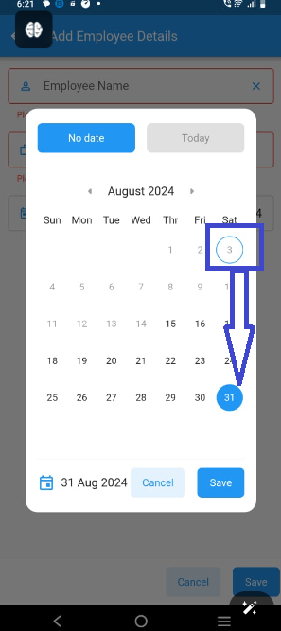
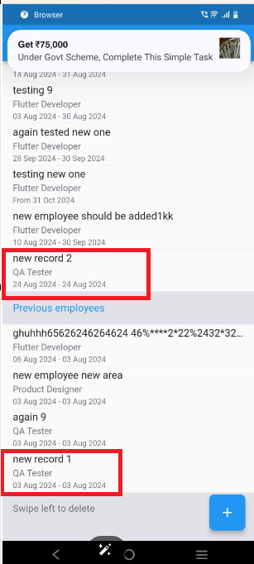
TC_005 | 2024-03-08 | The record of the previous employee under the employee list is not showing correctly. | Functional | Employee record being saved in incorrect section ,If Joining date is less than end date then it is sometimes getting saved in Previous Employee and sometimes in Employee List section. | 1- Launch the app 2- Click on plus button. 3-Employee information is to be filed with same joining and end date, 2 such records have to be created. 4-First employee record has to be saved with default date in which joining date and end date should be current date. 5-Second is to save employee record which should have different date and joining date and end date should be same in it. | Both records will be either to previous employee list or to current employee list. | Both the records are being shown in different sections when the date of both the records is same. | Medium
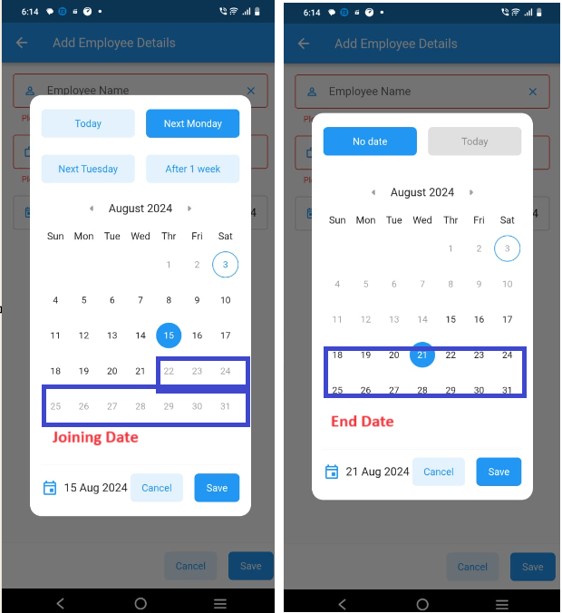
TC_006 | 2024-03-08 | Even after changing the date from the date picker, the default date is still getting highlighted in the joining date. | UI/UX | On changing the record from joining date, the option is getting changed but even by default the marking is not being removed. | 1- Launch the app 2- Click on plus button 3- Select joining date and chnage the date | The circle should be removed from the default date. | Default date is always showing circled | Low
TC_007 | 2024-03-08 | Date picker not showing default date | UI/UX | Date picker is getting disabled if select any date by forwarding the end date and then select the Joining date. | 1-To launch the app 2- To forward from end date, select the any date of next month and click to save button 3-To select any date from join date of current month and save it. 4-Now change the date from the end date and click to save it. 5-Try to change the date from the joining date. 6- Now only that date range should be enabled in joining date till which end date is selected. | 1-In this case, joining date should be free to change the date 2-Joining date should be user friendly so that we can change it and it should depend on the joining date and not on the end date. | Joining date option is showing disabled as per the end date set. | Medium
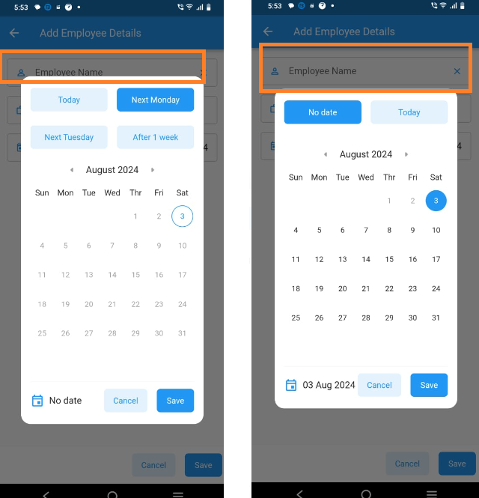
TC_008 | 2024-03-08 | Months is not changing from date picker | UI/UX | Date monthly is not changing whenever I forward or reverse from the date picker. | 1-To launch the app 2-Click on any date picker 3-Click to forowrd or reverse | After forwarding the date picker, the month should be changed and even after baking, it should be changed to the current month. | Month is not changing in both the cases. | High
TC_009 | 2024-03-08 | Employee Name" text field is getting hidden. | UI/UX | "Employee Name" text field is getting hidden. If clicked on the end date once and then click on the going date. | 1-To launch the app 2-Click on first end date and see text field hidden case 3-Later have to click on joining date and see the text field | Date picker templates size should be equal | Equal showing is not happening, end date "date picker" and "joining date "date picker is showing up and down. | Low
TC_0010 | 2024-03-08 | "Today " button is not highlighting | UI/UX | If go to end date and select today's date and then save it, after that click on "no date" and do save it. | 1- To Launch the app 2-Click to select "Today date" from end date and save it. 3-Again open same date picker and check the blue color of the "Today button" never remains highlighted. | Today button color should be highlighted in both the cases whether it is clicked from joining date or end date. | Highlighting is not happening in both the cases. | Medium
TC_0011 | 2024-03-08 | Joining date is getting disabled | UI/UX | First have to select the default date from the "end date" option and then select the date from the joining date. | 1- Launch the app 2-Select today date from end date and save it. 3- Now click on joining date and try to select the date | Date options should be enable | Getting disabled . | Medium
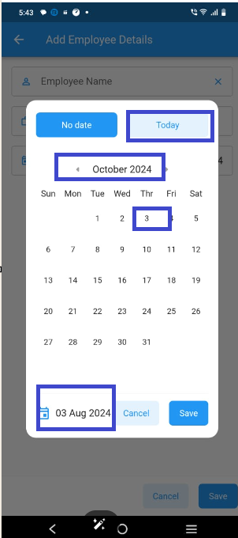
TC_0012 | 2024-03-08 | All button colors are not highlighted except Next Monday. | UI/UX | From joining date, no button is getting highlighted on click except one. | 1- Launch the app 2- Select joining date 3- Click to change the button option and check it's colour highlighting or not. | The colour of all the buttons should be highlighted according to the action wherever you click. | What is being clicked on is not being highlighted. | High
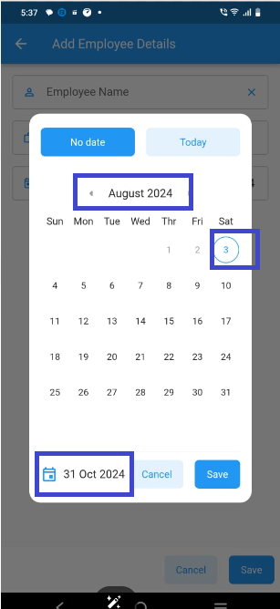
TC_0013 | 2024-03-08 | Today's date is not highlighted | UI/UX | After changing the month, clicking on today's date. The date is showing in the footer of the calendar but it is not highlighted in the calendar option. | 1- Launch the app 2- Select the end date or joining date 3-Click to change the month from the current month. 4-Any date has to be selected from the changed month. 5- Again click to select today date from today button | Calendar should roll back to Today date and default date selected should show in date picker. | Default date is not selected | Medium
TC_0014 | 2024-03-08 | Date picker not showing correct results | UI/UX | After forwarding the end date, after setting any date, after closing the calendar, after opening it again, the date picker is showing the default date and a different date is showing in the footer. | 1- Launch the app 2- Have to open the end date and forward it till 2-3 months ahead. 3- After forwarding have to select any date and save it. 4-Have to open again and check the date, which date is showing in the footer and what is showing in default. | Same date should be shown in both footer and date picker | Different date shows are happening at both the places | Medium
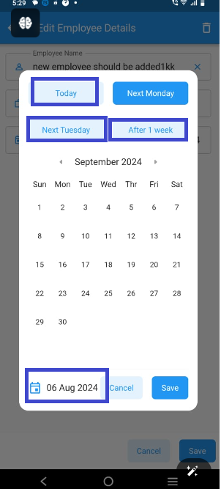
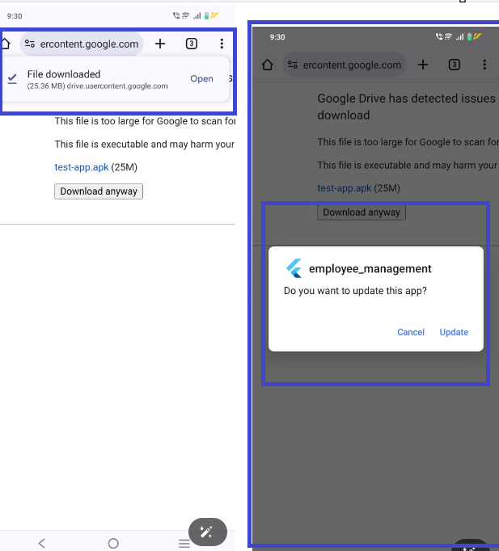
TC_0015 | 2024-03-08 | Next tuesday, today, next 1 week all function not working correctly | UI/UX | All three options are not set by default when the month is changed. | 1- Launch the app 2- Click on plus button 3- Have to select the end date and change the month. 4-Select the date from end date and save it .5-Select the joining date and change the months where the month of end date is selected. 6-And have to click on all three buttons. | The default given by all three buttons should be selected. | But only month is getting reflected and date is not selected | Low
TC_0016 | 2024-03-08 | test-app.apk reinstall is not working properly | Functional | I uninstalled the app and reinstalled it but again the app icon is not showing on my device. | 1- Click to remove or uninstall from the device 2-Again download and install the same app | App icon is not showing on my device | Working but app icon is not showing in my device (In case of re-installation, the app is only working in downloading mode but the icon is not showing on the device.) | High |  | If this is happening only in my device then no matter , if it is happening with everyone then its priority is high.
TC_0017 | 2024-03-08 | Old record show is happening | Functional | Old records are showing from device after uninstallation and removing app | 1-click to uninstall or remove from device | Should this be deleted or shown? | The show is happening in my case | Low | What are the requirements of the app, I don't know in this case of re-installation but if no credentials are given, should show the data again or not this is the questions?
Note : In case the image is not open in the view, then I am showing the link here from where the team people will be able to see the screenshots of the bug. https://docs.google.com/document/d/1ESPR6GFVvraglm4DEYNqwqVmEX6a8a91QJntXBiZ37Y/edit?usp=sharing

